records
Sample Measurement Record
Mano Engineering LLC |  |  |  |  |  |  |  |  |  | Part No. ADDA-0619
No. | A | B | C | D | E | F | G | H | I
1 | 1.2765 | 0.513 | 18.25 | 2.259 | 4.5245 | 4.7575 | 4.5425 | 0.507 | 0.4515
2 | 1.28 | 0.522 | 18.25 | 2.2485 | 4.5165 | 4.757 | 4.5125 | 0.5065 | 0.4515
3 | 1.2745 | 0.5095 | 18.25 | 2.2485 | 4.5155 | 4.756 | 4.527 | 0.503 | 0.4535
4 | 1.2665 | 0.5075 | 18.25 | 2.515 | 4.5045 | 4.7625 | 4.515 | 0.5055 | 0.459
5 | 1.2910 | 0.521 | 18.25 | 2.282 | 4.5195 | 4.7545 | 4.529 | 0.501 | 0.4575

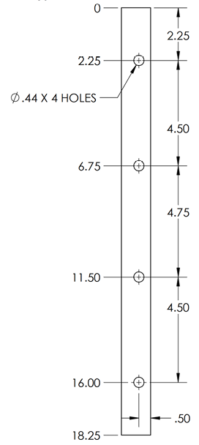
D
A
B
I
E

F
C

G

H

